Simulasi Program
Simulasi Program

1. Master Produk (List Produk untuk Product Catalog)

 | Product Type | Product Category | Product Jenis | Product Master | Panjang | Tebal | Lebar
 | Atap | Spandek | Polos | HARAPAN SPANDEK POLOS ECO 0.25 X 6 M | 6 | 0.25 | 750

2. Master Material

 | Metal Type | Slitted/Non Slit | Boron/Non Boron | Material Name | Width | Thickness | Berat/Meter | --> Berat/Meter perlu ditambahkan di Master
 | Galvalum | Mother | Boron | GALVALUM MOTHER BORON 0.14-1219-AZ70-G550- | 914.00 | 0.14 | 1.34
 | Galvalum | Mother | Boron | GALVALUM MOTHER BORON 0.15-1219-AZ70-G550- | 914.00 | 0.15 | 1.44

3. Price Reference
 | History Pembelian : |  |  |  | History Price/Unit (USD) Material
 | Metal Type | Slitted/Non Slit | Boron/Non Boron | Material Name | Januari | Februari | Maret | April | Mei | Juni | Latest Price | Average Price
 | Galvalum | Mother | Boron | GALVALUM MOTHER BORON 0.14-1219-AZ70-G550- | 0.80 |  | 0.81 |  |  | 0.737 | 0.737 | 0.78
 | Galvalum | Mother | Boron | GALVALUM MOTHER BORON 0.15-1219-AZ70-G550- | 0.79 |  | 0.8 |  |  | 0.725 | 0.725 | 0.77

 | Kurs Update:
 | No | Currency | Kurs | Last Updated | Updated By
 | 1 | USD | 17,863.00 | 6-Oct-26 | accounting

 | Price Reference :
 | Metal Type | Slitted/Non Slit | Boron/Non Boron | Material Name | Harga Pembelian Terakhir | Harga Pembelian Rata-rata | Keputusan Pemakaian Price Reference | Final Price Reference (USD) | Final Price Reference (IDR)
 | Galvalum | Mother | Boron | GALVALUM MOTHER BORON 0.14-1219-AZ70-G550- | 0.737 | 0.78 | Harga Terakhir | 0.737 | 13,165.03 | --> Bisa edit
 | Galvalum | Mother | Boron | GALVALUM MOTHER BORON 0.15-1219-AZ70-G550- | 0.725 | 0.77 | Harga Terakhir | 0.725 | 12,950.68 | --> Bisa edit

3. BOM Produk (dibedakan menjadi beberapa varian tebal)

 | ADD BOM
 | No | No. Uniq ID | Base Product | Base Material | Varian Thickness | Latest Update | Update by | Action
 | 1 | Type 001.1 | HARAPAN SPANDEK POLOS ECO 0.25 X 6 M | GALVALUM MOTHER BORON 0.14-1219-AZ70-G550- | 0.14 | 6-Oct-26 | Engineering | View | Edit | Delete | --> Punya uniq ID sendiri
 | 2 | Type 001.2 | HARAPAN SPANDEK POLOS ECO 0.25 X 6 M | GALVALUM MOTHER BORON 0.15-1219-AZ70-G550- | 0.15 | 6-Oct-26 | Engineering | View | Edit | Delete | --> Punya uniq ID sendiri, karena beda tebal

4. Flow Process & Cycletime (Cycletime per Kategori Produk)
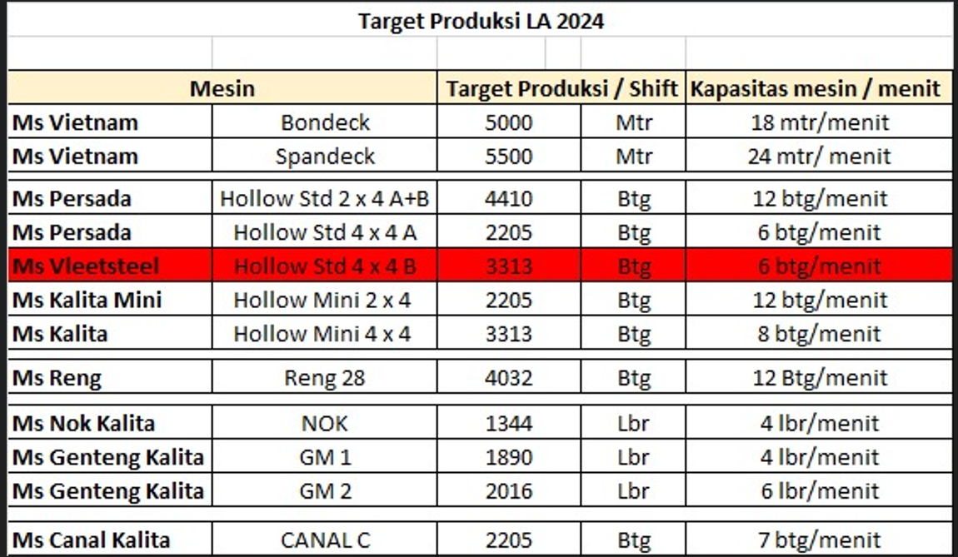
 | No | Product Category | Costcentre/Area | Process Name | Machine | Cycletime (Menit) | Man Power | Man Hour |  |  |  |  | Spandek :
 | 1 | Spandek | Spandek Area | Cutting Spandek | Spandek | 0.04 | 1 | 0.00069 |  |  |  |  | 24 | mtr | 60 | detik
 |  |  |  |  |  |  |  |  |  |  |  |  | 1 | mtr | 2.5 | detik
 |  |  |  |  |  |  |  |  |  |  |  |  | 0.041666666667 |  | 0.041666666667 | menit
 |  |  |  |  |  |  |  |  |  |  |  |  |  |  | 0.00069444444444

5. Man Power Rate

Add | # | Salary Direct Man Power | Nilai | Keterangan | Action
 | 1 | Gaji Pokok | 4,828,884.00 | per bulan | Delete
 | 2 | Tunjangan Keluarga | 15,000.00 | per bulan | Delete
 | 3 | Tunjangan Jabatan | 100,000.00 | per bulan | Delete
 | 4 | THR | 402,407.00 | per bulan | Delete
 | 5 | Cuti | 193,155.36 | per bulan | Delete
 | 6 | Uang Makan | 200,000.00 | per 25 hari | Delete
 | 7 | Transport | 225,000.00 | per 25 hari | Delete
 |  |  | 5,964,446.36
Add | # | BPJS | Nilai | Keterangan
 | 1 | Jaminan Kecelakaan Kerja | 40,671.35 | 0,89% perbulan | Delete
 | 2 | Jaminan Kematian | 13,709.45 | 0,3% perbulan | Delete
 | 3 | Jaminan Hari Tua | 169,083.16 | 3,7% perbulan | Delete
 | 4 | Jaminan pensiun | 91,396.30 | 2% perbulan | Delete
 | 5 | Jaminan Kesehatan | 182,792.60 | 4% perbulan | Delete
 |  |  | 497,652.86
Add | # | Biaya Lain-Lain | Nilai
 | 1 | Seragam (2 pc/thn) | 29,333.33 | Prorate/bln | Delete
 | 2 | Sepatu (1 psg/tahun) | 26,250.00 | Prorate/bln | Delete
 | 3 | Helm (1 pcs/tahun) | 10,000.00 | Prorate/bln | Delete
 | 4 | Sarung Tangan (1 psg/2 hari) | 14,300.00 | Per Bulan | Delete
 | 5 | Masker (1 pc/hari x 25 hari) | 10,000.00 | Per Bulan | Delete
 |  |  | 89,883.33

 |  | Total Biaya Direct Labor /Bulan : | 6,551,982.55
 |  | Rate Direct Labor : | 37,873.00 | Total Biaya MP/bulan / 173 jam
 |  | Rate Faktor Indirect Labor : | 1.50
 |  | Rate Man Power | 56,809.50 | per jam

 |  |  |  | Save
 | Man Power Cost : | (Total Man Hour Category Product x Man Power Rate)
 |  | 39.45

6. Rate Bahan Pendukung Khusus dan FOH

 | No | Product Category | Rate Bahan Pendukung Khusus | Rate FOH
 | 1 | BONDECK | 150 | 400 | --> contoh saja

7. General Rate (Manufacturing Support, Other Cost, Negotiation Allowance)

 | No | Element Costing | Formula | Rate/Meter
 | HPP
 | 3 | Manufacturing Support
 |  | 3.1 Consumables (Umum) | % x Material Cost | 5%
 |  | 3.2 Scrap | % x Material Cost | 2%
 |  | 3.3 Biaya Koordinasi | Rp/Kg * Berat/Meter | Rp200.00
 | Other Cost
 | 4 | Sales, Marketing | % x HPP
 | 5 | Transport | % x HPP
 | 6 | Finance, Admin | % x HPP
 | 7 | Management Fee | % x HPP
 | 8 | Interest | % x HPP
 | 9 | Profit | % x HPP | 5%
 | Selling Price
 | 10 | Negotiation Allowance (Extra Margin) | % x Bottom Price | 5%

